竞争对手调研
 | 品牌名 | 主图 | 链接 | 大类排名 | 小类排名 | 上架日期 | review数量 | review星级 | QA数 | price | 变体 | 质保
1 | essence | 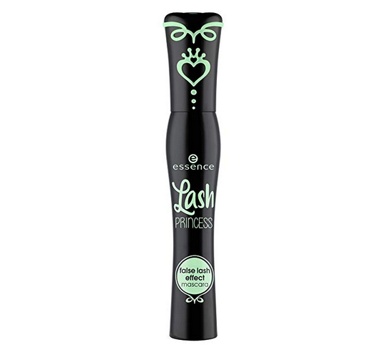 | https://www.amazon.com/essence-Princess-Effect-Mascara-Cruelty/dp/B00T0C9XRK/ref=zg_bs_11058611_1?_encoding=UTF8&refRID=VP5CQ7597E3087V4T1AB&th=1 | 19 Beauty & Personal Care | 1 | 2016.01.23 | 4067 | 4.1 | 107 | 4.99 | 假睫毛效果 增量 防水 | 无
2 | Loreal | 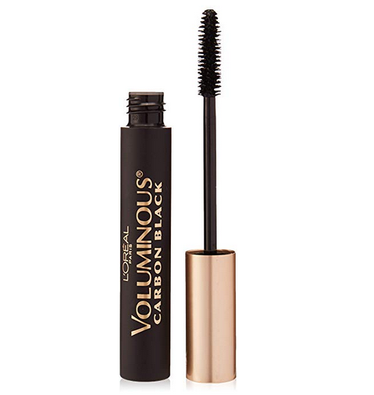 | https://www.amazon.com/LOreal-Paris-Voluminous-Original-Building/dp/B004BCXAM8/ref=zg_bs_11058611_2?_encoding=UTF8&psc=1&refRID=VP5CQ7597E3087V4T1AB | 122 Beauty & Personal Care | 2 | 无数据 | 5605 | 4 | 102 | 9 | 数量+颜色 | 无
3 | Loreal | 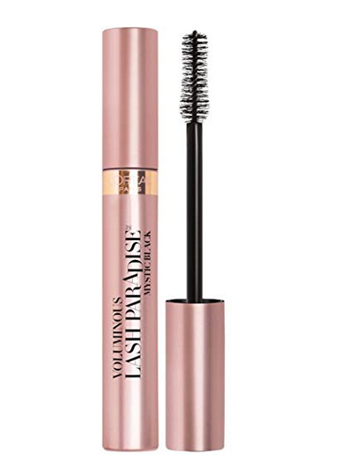 | https://www.amazon.com/LOreal-Paris-Paradise-Voluptuous-Feathery/dp/B06XDLY282/ref=zg_bs_11058611_4?_encoding=UTF8&psc=1&refRID=VP5CQ7597E3087V4T1AB | 245 Beauty & Personal Care | 3 | 2017.06.26 | 4071 | 3.8 | 93 | 1 count：13.17 2 count：16.48 3 count：21.29 | 数量+功能颜色 | 无
4 | AsaVea | 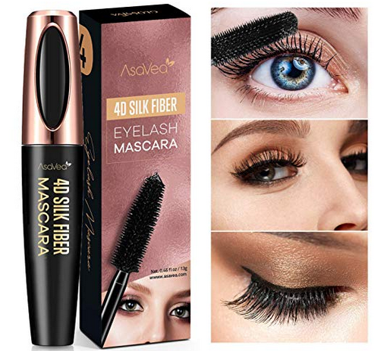 | https://www.amazon.com/Lengthening-Waterproof-Smudge-Proof-Exquisitely-Eyelashes/dp/B07MXQR4W2/ref=zg_bs_11058611_5?_encoding=UTF8&psc=1&refRID=VP5CQ7597E3087V4T1AB | 311 Beauty & Personal Care | 4 | 2019.01.29 | 882 | 4.3 | 16 | 12.19 | 无 | 无
5 | Vivienne | 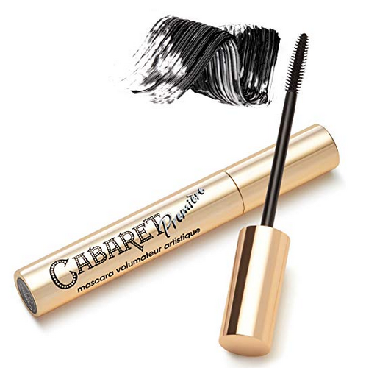 | https://www.amazon.com/Vivienne-Sab%C3%B3-Cabaret-Premi%C3%A8re-Artistic/dp/B01LYSCW6Z/ref=zg_bs_11058611_3?_encoding=UTF8&psc=1&refRID=VP5CQ7597E3087V4T1AB | 237 Beauty & Personal Care | 5 | 2017.01.02 | 1668 | 4.2 | 42 | 11.4 | 无 | 有
6 | COVERGIRL | 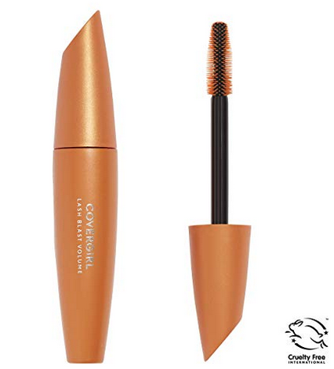 | https://www.amazon.com/COVERGIRL-LashBlast-Volumizing-Hypoallergenic-packaging/dp/B00EMAM9BC/ref=zg_bs_11058611_7?_encoding=UTF8&psc=1&refRID=VP5CQ7597E3087V4T1AB | 435 Beauty & Personal Care | 7 | 2012.09.18 | 3093 | 3.8 | 58 | 7.95 | 颜色/功能/是否防水 | 无
7 | Tetyana naturals | 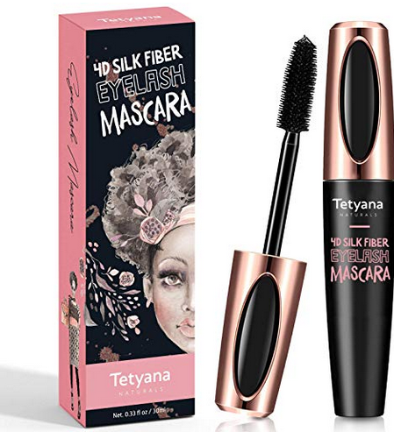 | https://www.amazon.com/Waterproof-Luxuriously-Long-Lasting-Smudge-proof-Hypoallergenic/dp/B07GC62MNF/ref=zg_bs_11058611_6?_encoding=UTF8&psc=1&refRID=VP5CQ7597E3087V4T1AB | 413 Beauty & Personal Care | 8 | 2018.11.09 | 1399 | 4.4 | 47 | 17.98 | 无 | 无
8 | Maybelline | 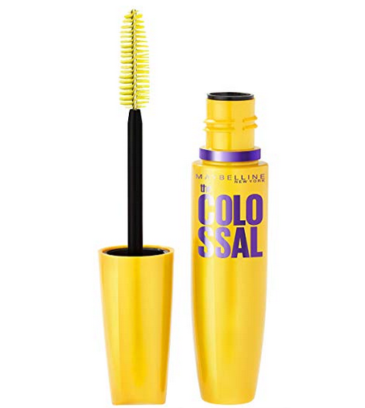 | https://www.amazon.com/Maybelline-Express-Colossal-Washable-Mascara/dp/B002YLEQ2Q/ref=zg_bs_11058611_9?_encoding=UTF8&psc=1&refRID=ZPP2BRRV9SNP437E5B93 | 499 Beauty & Personal Care | 9 | 2014.01.02 | 2065 | 4.1 | 35 | 5 | 数量/颜色 | 无
9 | Honest Beauty | 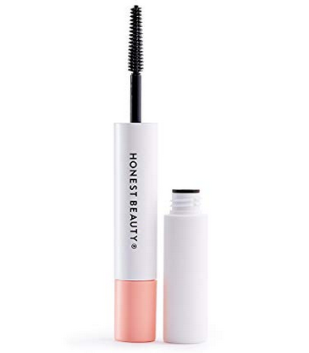 | https://www.amazon.com/Honest-Beauty-Extreme-Length-Mascara/dp/B07F462B2D/ref=zg_bs_11058611_10?_encoding=UTF8&psc=1&refRID=ZPP2BRRV9SNP437E5B93 | 548 Beauty & Personal Care | 10 | 2018.07.24 | 331 | 4.2 | 34 | 14.24 | 无 | 无
10 | IT Cosmetics | 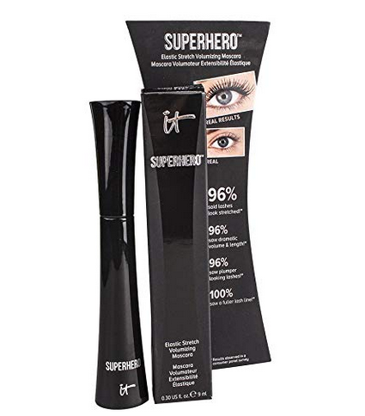 | https://www.amazon.com/Cosmetics-Superhero-Elastic-Stretch-Volumizing/dp/B01AKTZFZU/ref=zg_bs_11058611_18?_encoding=UTF8&psc=1&refRID=TSY95CYEWEYSXCW9X3RK | 1,348 Beauty & Personal Care | 18 | 2016.02.04 | 796 | 3.8 | 34 | 20.25 | 无 | 无
11 |  | 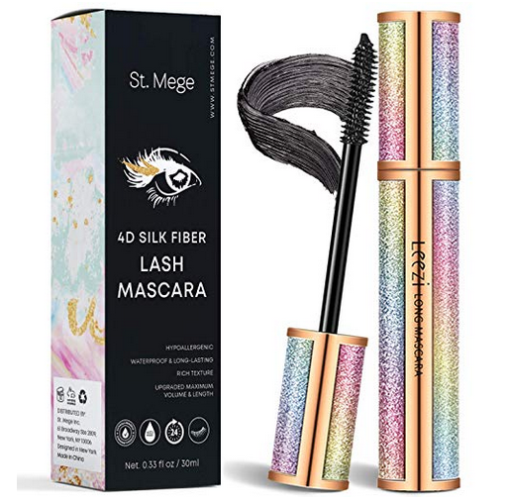 | https://www.amazon.com/Voluminous-Eyelashes-Waterproof-Smudge-Proof-Exquisitely/dp/B07NBLL69R/ref=zg_bs_11058611_34?_encoding=UTF8&psc=1&refRID=TSY95CYEWEYSXCW9X3RK | 2,728 Beauty & Personal Care | 34 | 2019.03.15 | 216 | 4.4 | 3 | 14.79 | 无 | 无

卖家精灵
 | 245 |  |  | 293 |  | 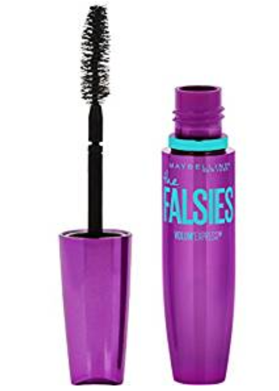 | 846 |  | 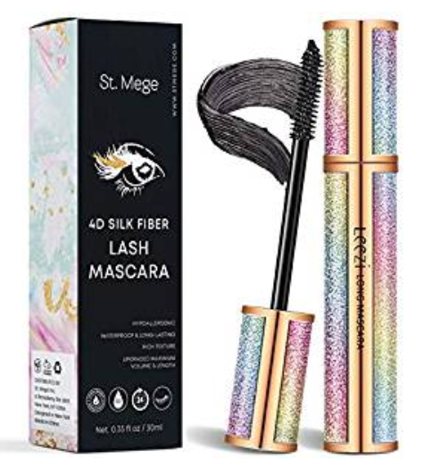 | 2858
B00T0C9XRK |  |  | B07MXQR4W2 |  |  | B003I6O5RC
keywords | 搜索量 | 搜索权重 | keywords | 搜索量 | 搜索权重 | keywords | 搜索量 | 搜索权重 | keywords | 搜索量 | 搜索权重
mascara | 693,839 | 5 | mascara | 693,839 | 5 | mascara | 693,839 | 4 | mascara | 693,839 | 4
essence lash princess mascara | 60,118 | 4 | waterproof mascara | 67,600 | 4 | maybelline mascara | 85,067 | 4 | waterproof mascara | 67,600 | 4
waterproof mascara | 67,600 | 4 | mascara waterproof | 53,673 | 4 | mascara black | 64,811 | 3 | mascara waterproof | 53,673 | 4
better than sex mascara | 79,081 | 4 | 4d silk fiber lash mascara | 69,970 | 4 | thrive mascara | 30,014 | 3 | 4d silk fiber lash mascara | 69,970 | 3
mascara black | 64,811 | 4 | thrive liquid lash extention mascara | 51,677 | 4 | stowaway mascara | 13,158 | 2 | fiber mascara | 71,384 | 3
mascara waterproof | 53,673 | 4 | thrive cosmetics | 63,021 | 4 | loreal mascara | 77,219 | 2 | mascara black | 64,811 | 3
thrive mascara | 30,014 | 4 | fiber mascara | 71,384 | 3 | liquid lash extensions mascara | 56,820 | 2 | thrive liquid lash extention mascara | 51,677 | 3
thrive liquid lash extention mascara | 51,677 | 3 | thrive mascara | 30,014 | 3 |  |  |  | 4d mascara | 37,801 | 3
essence mascara | 47,597 | 3 | 4d mascara | 37,801 | 3 |  |  |  | liquid lash extensions mascara | 56,820 | 3
 |  |  | mascara black | 64,811 | 3 |  |  |  | thrive mascara | 30,014 | 3
 |  |  | liquid lash extensions mascara | 56,820 | 3 |  |  |  | magic eyelash mascara | 17,613 | 2
 |  |  | loreal mascara | 77,219 | 3 |  |  |  | lash paradise mascara | 61,778 | 2
 |  |  | lash paradise mascara | 61,778 | 3

搜索框
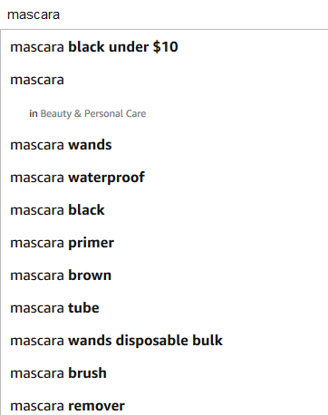
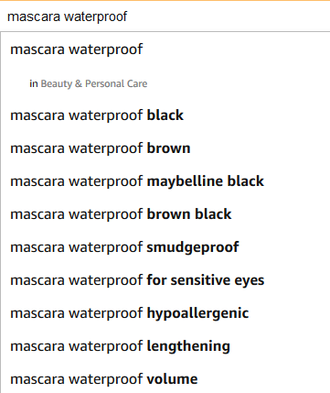
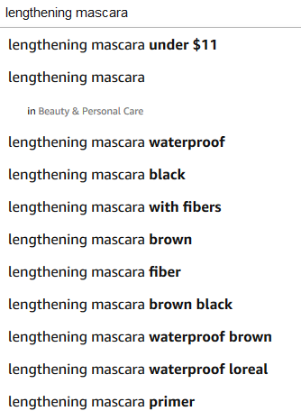
汇总
mascara waterproof black | for eyelash extensions
mascara waterproof smudgeproof | for sensitive eyes
mascara waterproof hypoallergenic | for sensitive dry eyes
mascara waterproof lengthening | for contact lens wearers
mascara waterproof volume | for dry eyes
waterproof mascara for sensitive eyes | for length

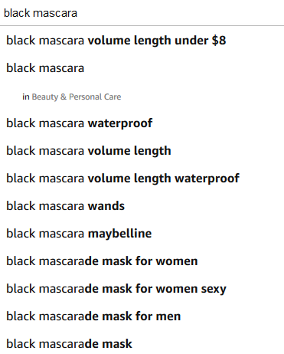
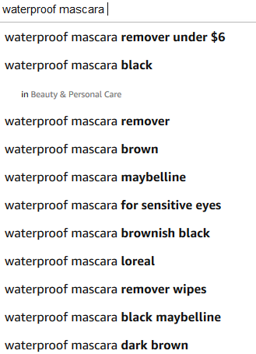
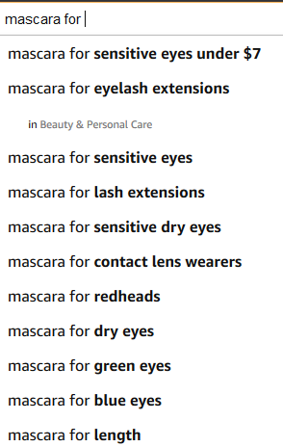
 |  | mascara for eyelash extensions
 |  | mascara for sensitive eyes
 |  | mascara for sensitive dry eyes
 |  | mascara for contact lens wearers
 |  | mascara for dry eyes
 |  | mascara for length

7图
其他品牌的 | 文字要求 | 位置 | 我们产品图片
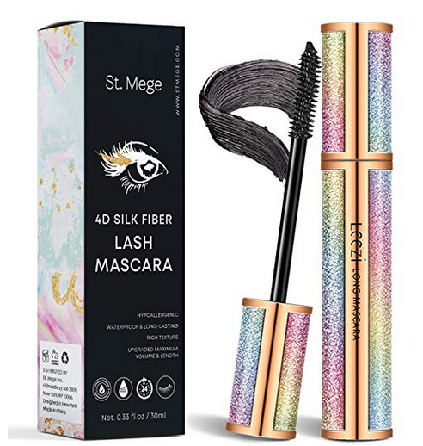 | 展示包装，刷头，膏体，突出睫毛膏的质感 | 1 | 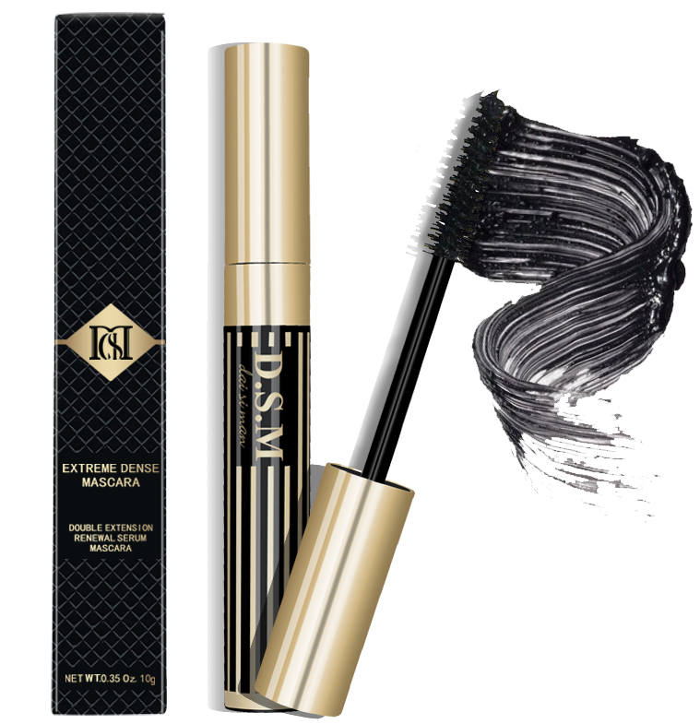
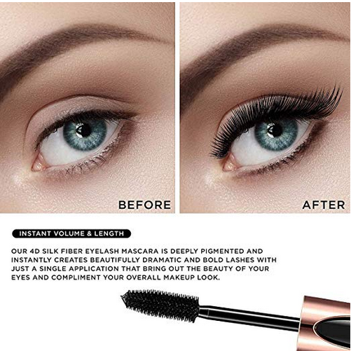 | 我们产品最突出的一个特点就是纤长，所以第二张图做一个BEFORE/AFTER的纤长对比图 | 2 | 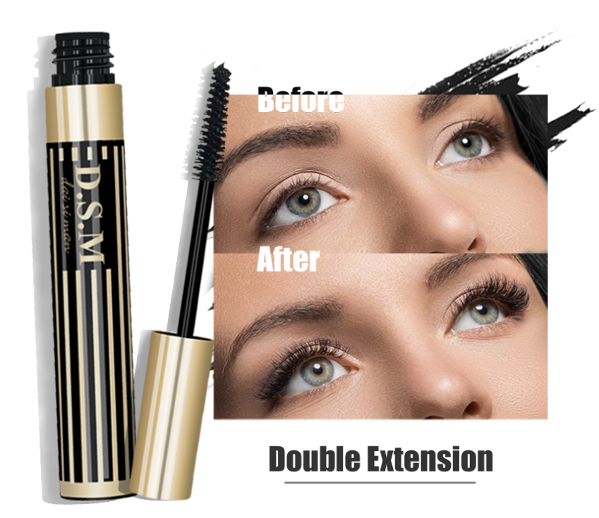
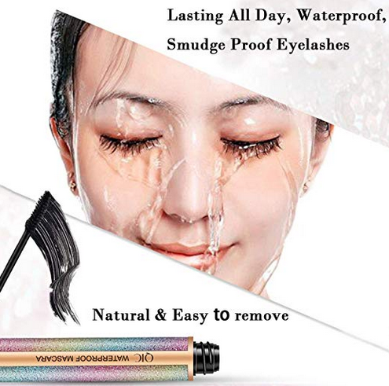 | 突出防水防汗的特点 | 3 | 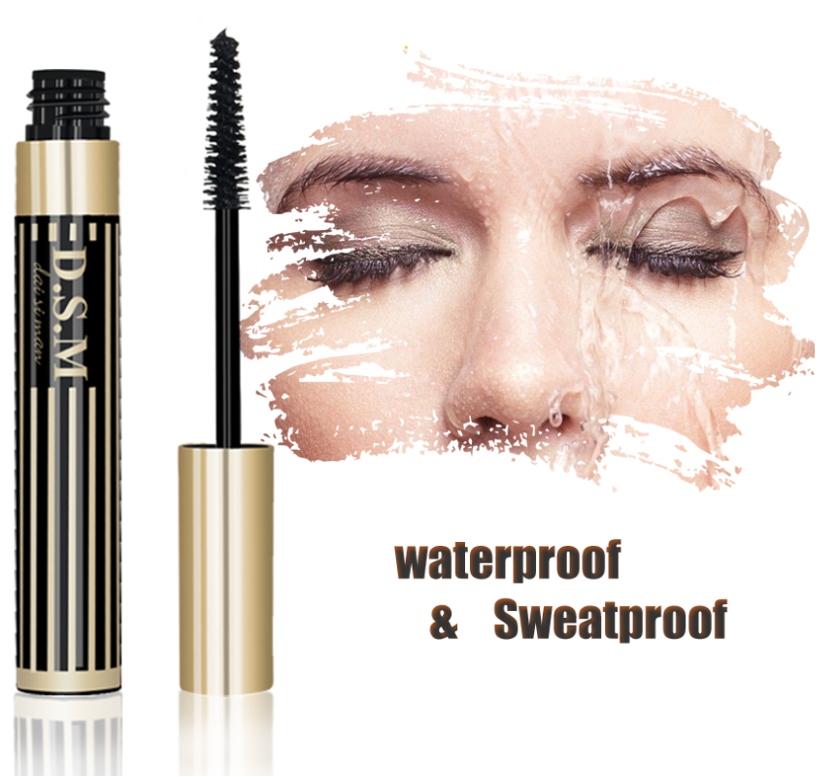
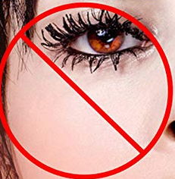 | 不晕染不结块，做对比图 | 4 | 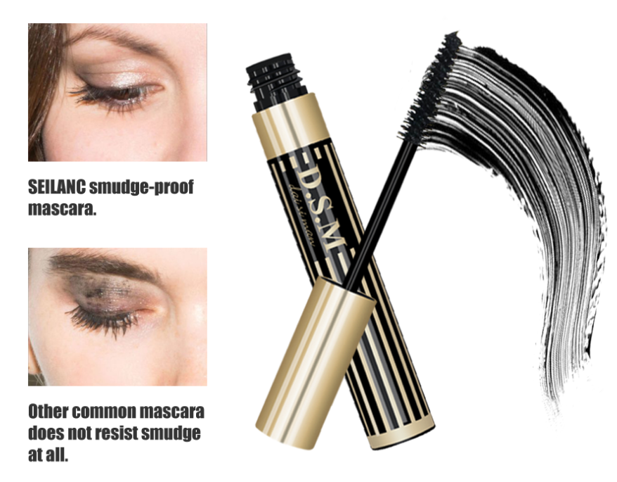
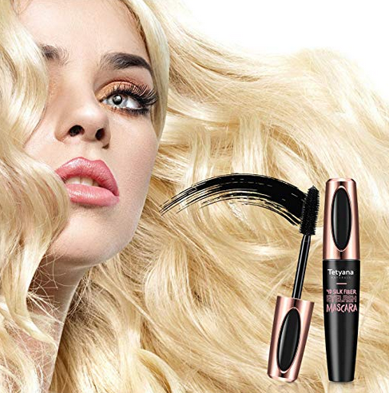 | 模特效果图，加上文字以及水印表达持久的特点 | 5 | 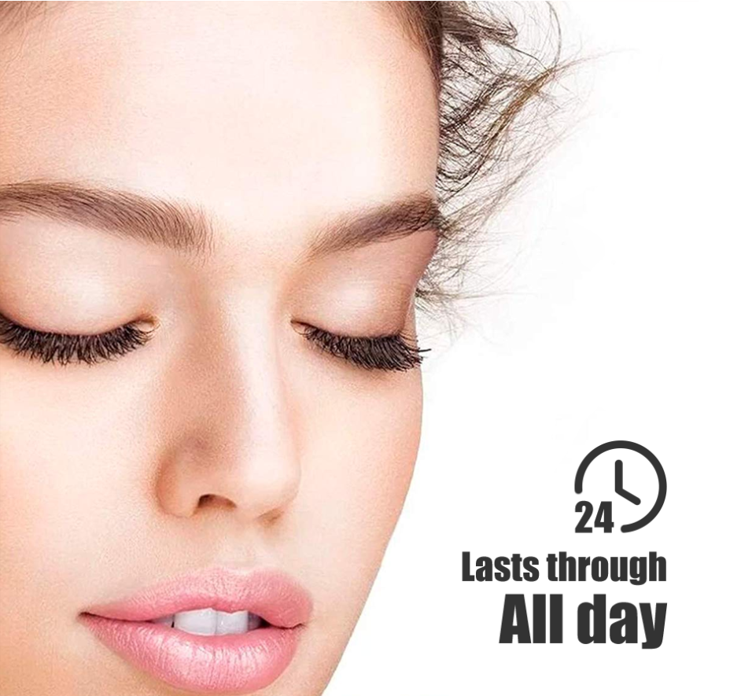
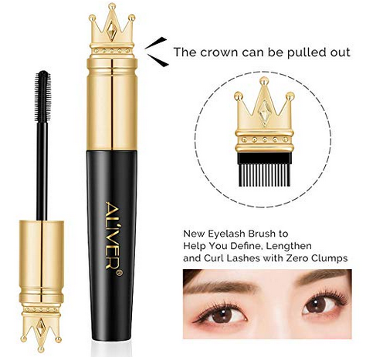 | 产品设计特点 | 6 | 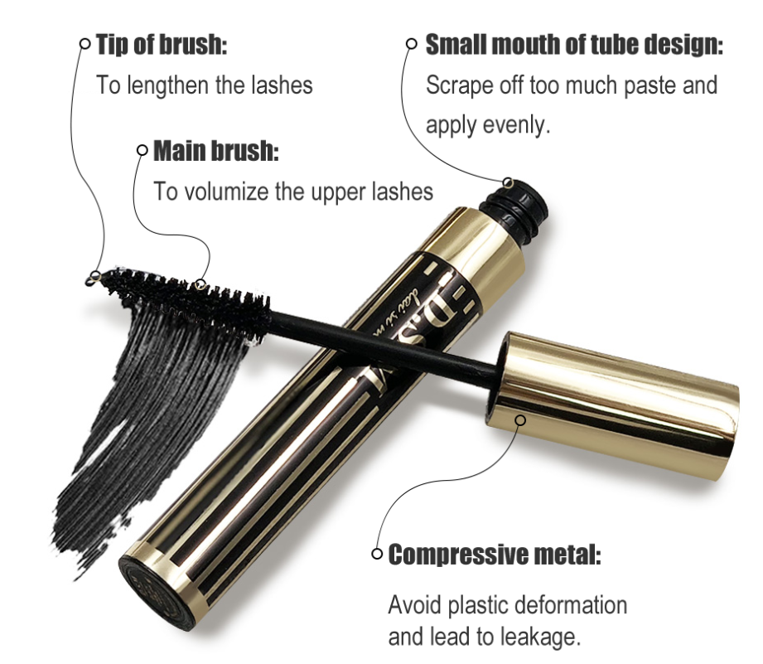
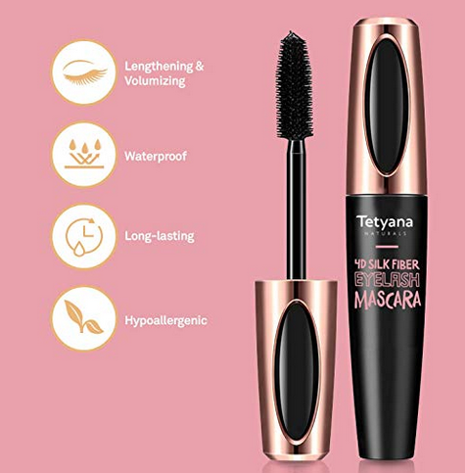 | 产品亮点总结 | 7 | 